file
 |  |  |  |  |  |  |  |  |  |  |  |  |  |  | 23481 |  | 2,576,903.42 € |  | 6,186,520.00 €
Photo | Brand | Gender | Macrocategory | Subcategory | Loc | Season | EAN | Product Code | SKU | Article name | Colour | SIZE | Made In | Material Composition | Qty | Whs | Tot WHS | RRP | Tot RRP | ORDER QTY | TOTAL ORDER
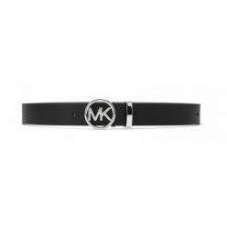 | Michael Kors | Women | Accessories | Belts | 66.00 | CO | 0722947280412 | 558347-BLACK | 558347-BLACK-M | Belts | BLACK | M | India | 100% COW LEATHER | 71 | 47.90 € | 3,400.90 € | 115.00 € | 8,165.00 €
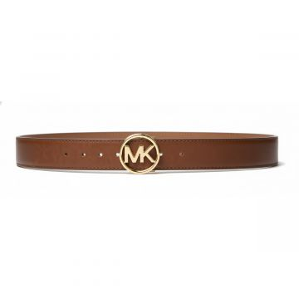 | Michael Kors | Women | Accessories | Belts | 66.00 | CO | 0722947326721 | 558347-LUGGAGE | 558347-LUGGAGE-M | Belts | BROWN | M | Vietnam | 100% COW LEATHER | 14 | 47.90 € | 670.60 € | 115.00 € | 1,610.00 €
 | Michael Kors | Women | Accessories | Belts | 66.00 | CO | 0722947326714 | 558347-LUGGAGE | 558347-LUGGAGE-S | Belts | BROWN | S | Vietnam | 100% COW LEATHER | 149 | 47.90 € | 7,137.10 € | 115.00 € | 17,135.00 €
 | Michael Kors | Women | Accessories | Belts | 1070.00 | CO | 0722947699429 | 558989-BROWN | 558989-BROWN-M | EMPIRE BELT | BROWN | M | China | 46% leather/34% bonded leather/20% polyurethane | 5 | 47.92 € | 239.60 € | 115.00 € | 575.00 €
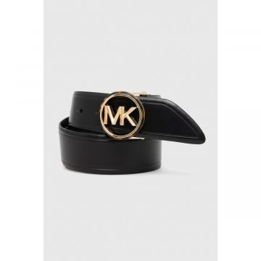 | Michael Kors | Women | Accessories | Belts | 1070.00 | CO | 0722947748158 | 559032-BLACK_GOLD | 559032-BLACK_GOLD-L | LOGO BELT | BLACK/GOLD | L | China | 100% COW LEATHER | 36 | 52.10 € | 1,875.60 € | 125.00 € | 4,500.00 €
 | Michael Kors | Women | Accessories | Belts | 1070.00 | CO | 0722947748165 | 559032-BLACK_GOLD | 559032-BLACK_GOLD-M | LOGO BELT | BLACK/GOLD | M | China | 100% COW LEATHER | 9 | 52.10 € | 468.90 € | 125.00 € | 1,125.00 €
 | Michael Kors | Women | Accessories | Belts | 1070.00 | CO | 0722947748172 | 559032-BLACK_GOLD | 559032-BLACK_GOLD-S | LOGO BELT | BLACK/GOLD | S | China | 100% COW LEATHER | 112 | 52.10 € | 5,835.20 € | 125.00 € | 14,000.00 €
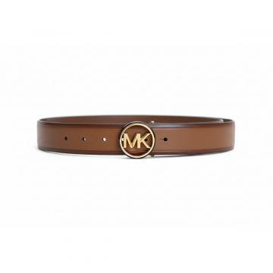 | Michael Kors | Women | Accessories | Belts | 1070.00 | CO | 0722947748899 | 559032-LUGGAGE | 559032-LUGGAGE-L | LOGO BELT | LUGGAGE | L | China | 100% COW LEATHER | 27 | 52.10 € | 1,406.70 € | 125.00 € | 3,375.00 €
 | Michael Kors | Women | Accessories | Belts | 1070.00 | CO | 0722947748905 | 559032-LUGGAGE | 559032-LUGGAGE-M | LOGO BELT | LUGGAGE | M | China | 100% COW LEATHER | 72 | 52.10 € | 3,751.20 € | 125.00 € | 9,000.00 €
 | Michael Kors | Women | Accessories | Belts | 1070.00 | CO | 0722947748912 | 559032-LUGGAGE | 559032-LUGGAGE-S | LOGO BELT | LUGGAGE | S | China | 100% COW LEATHER | 126 | 52.10 € | 6,564.60 € | 125.00 € | 15,750.00 €
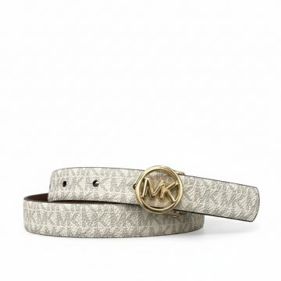 | Michael Kors | Women | Accessories | Belts | 120.00 | CO | 0722947756771 | 559063T-150 | 559063T-150-L | Belts 20MM REVERSIBLE BELT | Cream | L | CN | 100% COW LEATHER | 89 | 53.75 € | 4,783.75 € | 129.00 € | 11,481.00 €
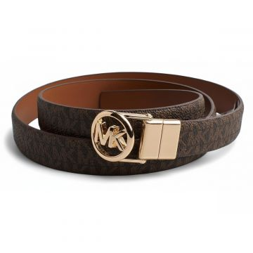 | Michael Kors | Women | Accessories | Belts | 120.00 | CO | 0722947756832 | 559063T-200 | 559063T-200-M | Belts 20MM REVERSIBLE BELT | BROWN | M | CN | 100% COW LEATHER | 33 | 53.75 € | 1,773.75 € | 129.00 € | 4,257.00 €
 | Michael Kors | Women | Accessories | Belts | 120.00 | CO | 0722947756849 | 559063T-200 | 559063T-200-S | Belts 20MM REVERSIBLE BELT | BROWN | S | CN | 100% COW LEATHER | 49 | 53.75 € | 2,633.75 € | 129.00 € | 6,321.00 €
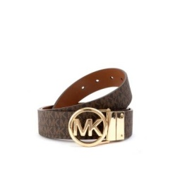 | Michael Kors | Women | Accessories | Belts | 142.00 | CO | 0722947803475 | 559109-BROWN | 559109-BROWN-L | Belts REVERSIBLE BELT | BROWN | L | China | 50% COW LEATHER with 50% polyurethane | 70 | 47.90 € | 3,353.00 € | 115.00 € | 8,050.00 €
 | Michael Kors | Women | Accessories | Belts | 142.00 | CO | 0722947803482 | 559109-BROWN | 559109-BROWN-M | Belts REVERSIBLE BELT | BROWN | M | China | 50% COW LEATHER with 50% polyurethane | 223 | 47.90 € | 10,681.70 € | 115.00 € | 25,645.00 €
 | Michael Kors | Women | Accessories | Belts | 142.00 | CO | 0722947803499 | 559109-BROWN | 559109-BROWN-S | Belts REVERSIBLE BELT | BROWN | S | China | 50% COW LEATHER with 50% polyurethane | 177 | 47.90 € | 8,478.30 € | 115.00 € | 20,355.00 €
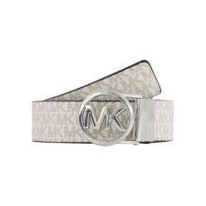 | Michael Kors | Women | Accessories | Belts | 142.00 | CO | 0722947803420 | 559109-VANILLA | 559109-VANILLA-L | Belts MK CHARM | VANILLA | L | China | 50% COW LEATHER with 50% polyurethane | 39 | 47.90 € | 1,868.10 € | 115.00 € | 4,485.00 €
 | Michael Kors | Women | Accessories | Belts | 142.00 | CO | 0722947803437 | 559109-VANILLA | 559109-VANILLA-M | Belts MK CHARM | VANILLA | M | China | 50% COW LEATHER with 50% polyurethane | 185 | 47.90 € | 8,861.50 € | 115.00 € | 21,275.00 €
 | Michael Kors | Women | Accessories | Belts | 142.00 | CO | 0722947803444 | 559109-VANILLA | 559109-VANILLA-S | Belts MK CHARM | VANILLA | S | China | 50% COW LEATHER with 50% polyurethane | 199 | 47.90 € | 9,532.10 € | 115.00 € | 22,885.00 €
 | Michael Kors | Women | Accessories | Belts | 110.00 | CO | 0722947788840 | 559116-SILVER | 559116-SILVER-M | Belts 38MM REV METALLIC | SILVER | M | CN | 100% COW LEATHER | 76 | 47.90 € | 3,640.40 € | 115.00 € | 8,740.00 €
 | Michael Kors | Women | Accessories | Belts | 140.00 | CO | 0722947789144 | 559118-40 | 559118-40-S_M | Belts MINI CHAIN BELT WITH PAVE LOGO | SILVER | S_M | CN | 100% COW LEATHER | 120 | 47.90 € | 5,748.00 € | 115.00 € | 13,800.00 €
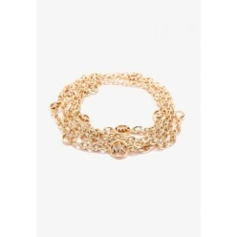 | Michael Kors | Women | Accessories | Belts | 140.00 | CO | 0722947789168 | 559118-705 | 559118-705-S_M | Belts MINI CHAIN BELT WITH PAVE LOGO | Gold | S_M | CN | 100% COW LEATHER | 85 | 47.90 € | 4,071.50 € | 115.00 € | 9,775.00 €
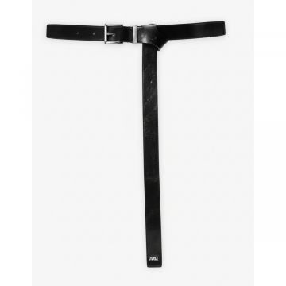 | Michael Kors | Women | Accessories | Belts | 169.00 | CO | 0722947803598 | 559119-BLACK_SILVER | 559119-BLACK_SILVER-L | Belts | BLACK | L | Indonesia | 100% COW LEATHER | 34 | 39.60 € | 1,346.40 € | 95.00 € | 3,230.00 €
 | Michael Kors | Women | Accessories | Belts | 169.00 | CO | 0722947803581 | 559119-BLACK_SILVER | 559119-BLACK_SILVER-M | Belts | BLACK | M | Indonesia | 100% COW LEATHER | 40 | 39.60 € | 1,584.00 € | 95.00 € | 3,800.00 €
 | Michael Kors | Women | Accessories | Belts | 169.00 | CO | 0722947803574 | 559119-BLACK_SILVER | 559119-BLACK_SILVER-S | Belts | BLACK | S | Indonesia | 100% COW LEATHER | 34 | 39.60 € | 1,346.40 € | 95.00 € | 3,230.00 €
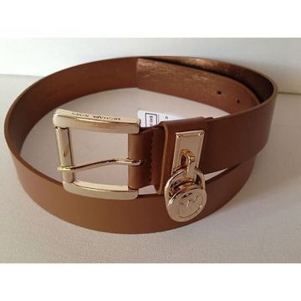 | Michael Kors | Women | Accessories | Belts | 150.00 | CO | 0722947807756 | 559135T-230 | 559135T-230-L | Belts 35MM LEATHER BELT | BROWN | L | CN | 100% COW LEATHER | 67 | 57.90 € | 3,879.30 € | 139.00 € | 9,313.00 €
 | Michael Kors | Women | Accessories | Belts | 150.00 | CO | 0722947807763 | 559135T-230 | 559135T-230-M | Belts 35MM LEATHER BELT | BROWN | M | CN | 100% COW LEATHER | 169 | 57.90 € | 9,785.10 € | 139.00 € | 23,491.00 €
 | Michael Kors | Women | Accessories | Belts | 150.00 | CO | 0722947807800 | 559135T-41 | 559135T-41-L | Belts 35MM LEATHER BELT | BLACK | L | CN | 100% COW LEATHER | 32 | 57.90 € | 1,852.80 € | 139.00 € | 4,448.00 €
 | Michael Kors | Women | Accessories | Belts | 150.00 | CO | 0722947807817 | 559135T-41 | 559135T-41-M | Belts 35MM LEATHER BELT | BLACK | M | CN | 100% COW LEATHER | 117 | 57.90 € | 6,774.30 € | 139.00 € | 16,263.00 €
 | Michael Kors | Women | Accessories | Belts | 150.00 | CO | 0722947807824 | 559135T-41 | 559135T-41-S | Belts 35MM LEATHER BELT | BLACK | S | CN | 100% COW LEATHER | 129 | 57.90 € | 7,469.10 € | 139.00 € | 17,931.00 €
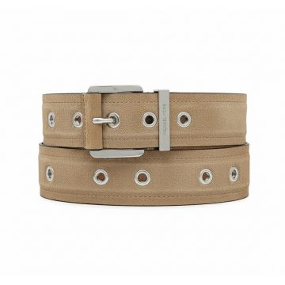 | Michael Kors | Women | Accessories | Belts | 84.00 | CO | 0722947801990 | 559145-CAMEL | 559145-CAMEL-S | Belts 42MM SUEDE | Beige | S | CN | 100% COW LEATHER | 48 | 62.50 € | 3,000.00 € | 150.00 € | 7,200.00 €
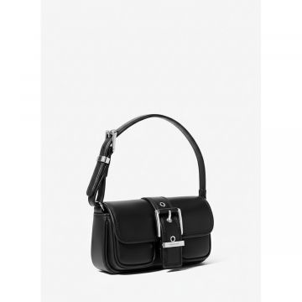 | Michael Kors | Women | Accessories | Clutches | 1250.00 | FW | 0197853118065 | 32F4SBAU0L-BLACK | 32F4SBAU0L-BLACK-OS | COLBY | BLACK | One Size | Vietnam | 100% COW LEATHER | 2 | 104.20 € | 208.40 € | 250.00 € | 500.00 €
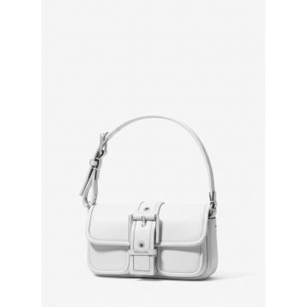 | Michael Kors | Women | Accessories | Clutches | 1250.00 | FW | 0197853118089 | 32F4SBAU0L-OPTIC WHITE | 32F4SBAU0L-OPTIC WHITE-OS | COLBY | OPTIC WHITE | One Size | Vietnam | 100% COW LEATHER | 246 | 104.20 € | 25,633.20 € | 250.00 € | 61,500.00 €
 | Michael Kors | Women | Accessories | Clutches | 1070.00 | SS | 0197853298781 | 32R5GBAU0M-PALE GOLD | 32R5GBAU0M-PALE GOLD -OS | COLBY | PALE GOLD | One Size | Vietnam | 100% COW LEATHER | 38 | 104.20 € | 3,959.60 € | 250.00 € | 9,500.00 €
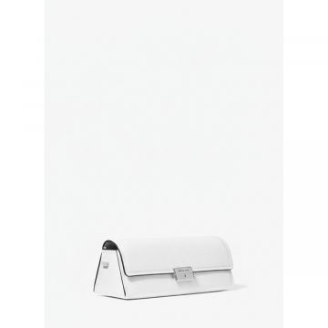 | Michael Kors | Women | Accessories | Clutches | 1250.00 | SS | 0197853300149 | 32R5SLNC1L-OPTIC WHITE | 32R5SLNC1L-OPTIC WHITE-OS | LUDLOW | OPTIC WHITE | One Size | Indonesia | 100% COW LEATHER | 35 | 104.20 € | 3,647.00 € | 250.00 € | 8,750.00 €
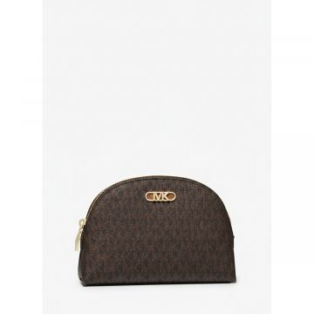 | Michael Kors | Women | Accessories | Clutches | 1210.00 | SS | 0196237350169 | 34H3G8EUB-BRNACORN | 34H3G8EUB-BRNACORN-OS | EMPIRE | BRNACORN | One Size | Indonesia | 89.4% PVC, 9.6% POLY, 1% PU | 2 | 39.60 € | 79.20 € | 95.00 € | 190.00 €
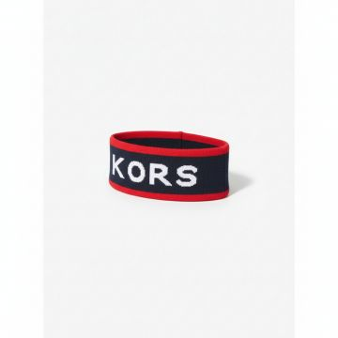 | Michael Kors | Women | Accessories | Hair accessories | 113.00 | CO | 0197853288027 | JR5003RF84-MD NIGHT BLUE | JR5003RF84-MD NIGHT BLUE-OS | Hair accessories HEAD BAND | Blue | One Size | CN | 53% COTTON, 40% RECY CLED VISCOSE, 7% NYL ON | 6 | 31.25 € | 187.50 € | 75.00 € | 450.00 €
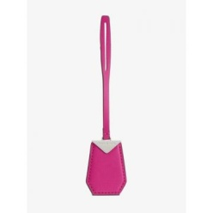 | Michael Kors | Women | Accessories | Keyring | 117.00 | CO | 0194900566268 | 32H9SF3N0L-CHAMBRAY | 32H9SF3N0L-CHAMBRAY-OS | Keyring KEYCHAIN | PINK | One Size | VN | 100% COW LEATHER | 14 | 27.10 € | 379.40 € | 65.00 € | 910.00 €
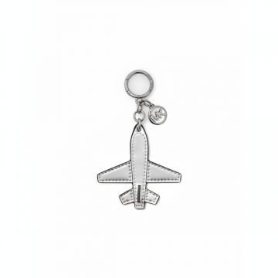 | Michael Kors | Women | Accessories | Keyring | 80.00 | CO | 0197853280793 | 35R5SGFK1M-SILVER | 35R5SGFK1M-SILVER-OS | Keyring AIRPLANE METALLIC KEYCHAIN | SILVER | One Size | PH | 100% POLYURETHANE | 5 | 39.60 € | 198.00 € | 95.00 € | 475.00 €
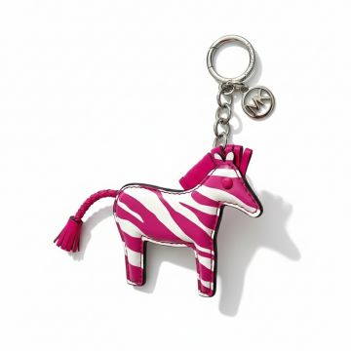 | Michael Kors | Women | Accessories | Keyring | 117.00 | CO | 0197853429598 | 35S4SGFK3Y-DRAGONFRUIT | 35S4SGFK3Y-DRAGONFRUIT-OS | Keyring KEYCHAIN | PINK | One Size | VN | 100% HAIR CALF LEATH ER | 12 | 27.10 € | 325.20 € | 65.00 € | 780.00 €
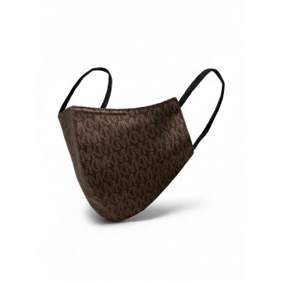 | Michael Kors | Women | Accessories | Masks | 84.00 | CO | 0194900578889 | MU100092TX-CHOCOLATE | MU100092TX-CHOCOLATE-L/XL | Masks MK DOT PRNT UNISEX MASK | BLACK | L/XL | CH | 97% COTTON, 3% ELAST ANE | 5 | 10.45 € | 52.25 € | 25.00 € | 125.00 €
 | Michael Kors | Women | Accessories | Masks | 84.00 | CO | 0194900578872 | MU100092TX-CHOCOLATE | MU100092TX-CHOCOLATE-S/M | Masks MK DOT PRNT UNISEX MASK | BLACK | S/M | CH | 97% COTTON, 3% ELAST ANE | 51 | 10.45 € | 532.95 € | 25.00 € | 1,275.00 €
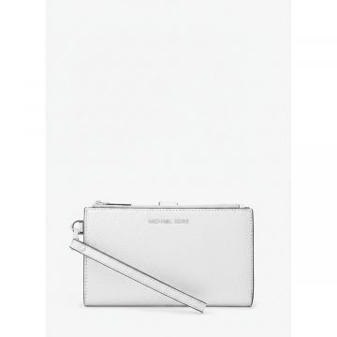 | Michael Kors | Women | Accessories | Wallets | 1200.00 | FW | 0196237345806 | 32H3SJ6W4M-SILVER | 32H3SJ6W4M-SILVER-OS | JET SET | SILVER | One Size | Vietnam | 100% COW LEATHER | 8 | 62.50 € | 500.00 € | 150.00 € | 1,200.00 €
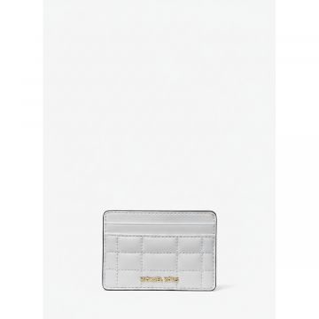 | Michael Kors | Women | Accessories | Wallets | 1200.00 | FW | 0196237511355 | 32R4GJ6D0L-OPTIC WHITE | 32R4GJ6D0L-OPTIC WHITE-OS | PEBBLED | OPTIC WHITE | One Size | Vietnam | 100% LAMB LEATHER | 29 | 31.25 € | 906.25 € | 75.00 € | 2,175.00 €
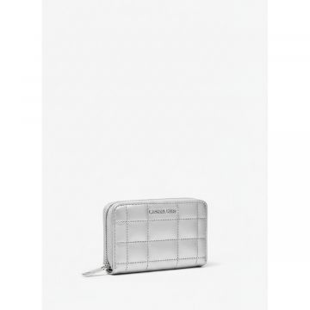 | Michael Kors | Women | Accessories | Wallets | 1250.00 | FW | 0196237774606 | 32S4SJ6D0K-SILVER | 32S4SJ6D0K-SILVER-OS | QUILTED | SILVER | One Size | Vietnam | 100% LAMB LEATHER | 51 | 52.10 € | 2,657.10 € | 125.00 € | 6,375.00 €
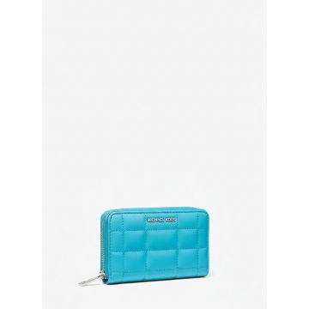 | Michael Kors | Women | Accessories | Wallets | 1250.00 | SS | 0196237774651 | 32S4SJ6D0L-NAVY | 32S4SJ6D0L-NAVY-OS | QUILTED | NAVY | One Size | Vietnam | 100% LAMB LEATHER | 64 | 52.10 € | 3,334.40 € | 125.00 € | 8,000.00 €
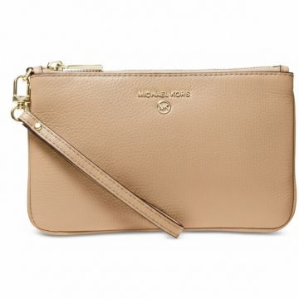 | Michael Kors | Women | Accessories | Wallets | 400.00 | CO | 0194900571637 | 32T1LT9W2L-222 | 32T1LT9W2L-222-OS | Wallets Wallet Md Tz Wristlet | BROWN | One Size | ID | 100% Calf leather | 5 | 47.92 € | 239.60 € | 115.00 € | 575.00 €
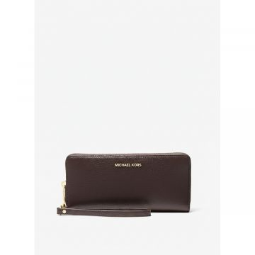 | Michael Kors | Women | Accessories | Wallets | 138.00 | FW | 0197853122239 | 32T4GJ6E7L-CHOCOLATE | 32T4GJ6E7L-CHOCOLATE-OS | JET SET | CHOCOLATE | One Size | Indonesia | 100% COW LEATHER | 80 | 72.92 € | 5,833.60 € | 175.00 € | 14,000.00 €
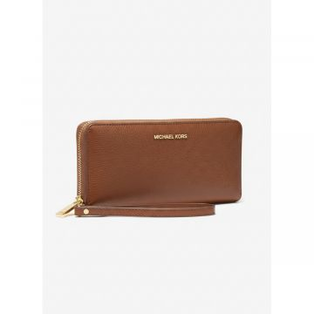 | Michael Kors | Women | Accessories | Wallets | 138.00 | FW | 0196237953339 | 32T4GJ6E7L-LUGGAGE | 32T4GJ6E7L-LUGGAGE-OS | JET SET | LUGGAGE | One Size | Indonesia | 100% COW LEATHER | 35 | 72.92 € | 2,552.20 € | 175.00 € | 6,125.00 €
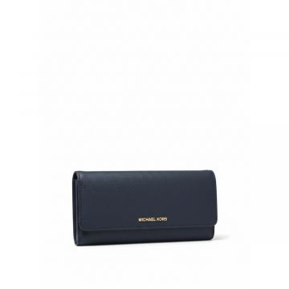 | Michael Kors | Women | Accessories | Wallets | 138.00 | FW | 0196237953360 | 32T4GJ6E7L-NAVY | 32T4GJ6E7L-NAVY-OS | JET SET | NAVY | One Size | Indonesia | 100% COW LEATHER | 151 | 72.92 € | 11,010.92 € | 175.00 € | 26,425.00 €
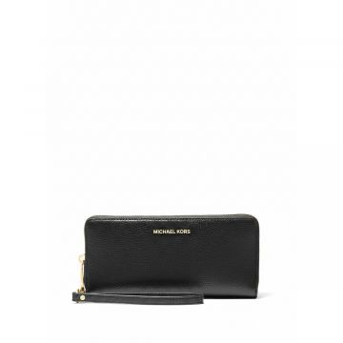 | Michael Kors | Women | Accessories | Wallets | 138.00 | FW | 0196237954947 | 32T4SJ6E7L-BLACK | 32T4SJ6E7L-BLACK-OS | JET SET | BLACK | One Size | Indonesia | 100% COW LEATHER | 60 | 72.92 € | 4,375.20 € | 175.00 € | 10,500.00 €
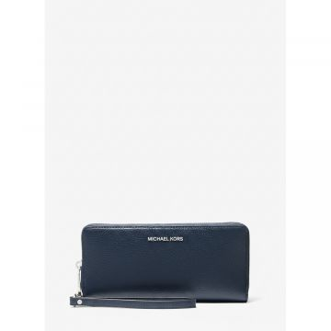 | Michael Kors | Women | Accessories | Wallets | 138.00 | FW | 0196237954978 | 32T4SJ6E7L-NAVY | 32T4SJ6E7L-NAVY-OS | Kensington | NAVY | One Size | Indonesia | 100% COW LEATHER | 115 | 72.92 € | 8,385.80 € | 175.00 € | 20,125.00 €
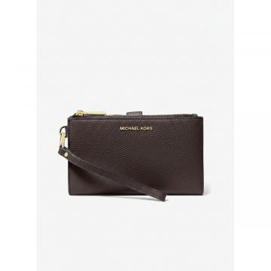 | Michael Kors | Women | Accessories | Wallets | 133.00 | FW | 0197853122901 | 32T7GAFW4L-CHOCOLATE | 32T7GAFW4L-CHOCOLATE-OS | ADELE | CHOCOLATE | One Size | Vietnam | 100% COW LEATHER | 343 | 62.50 € | 21,437.50 € | 150.00 € | 51,450.00 €
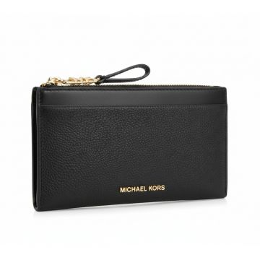 | Michael Kors | Women | Accessories | Wallets | 160.00 | CO | 0196237165312 | 34F3G8ED7L-1 | 34F3G8ED7L-1-OS | Wallets EMPIRE LG ZIP CARD CASE | BLACK | One Size | ID | 100% COW LEATHER | 150 | 62.50 € | 9,375.00 € | 150.00 € | 22,500.00 €
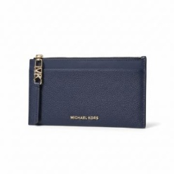 | Michael Kors | Women | Accessories | Wallets | 160.00 | CO | 0196237165374 | 34F3G8ED7L-410 | 34F3G8ED7L-410-OS | Wallets EMPIRE LG ZIP CARD CASE | NAVY | One Size | ID | 100% COW LEATHER | 206 | 62.50 € | 12,875.00 € | 150.00 € | 30,900.00 €
 | Michael Kors | Women | Accessories | Wallets | 1200.00 | FW | 0196237165534 | 34F3SJ6W4M-SILVER | 34F3SJ6W4M-SILVER-OS | JET SET | SILVER | One Size | Indonesia | 100% COW LEATHER | 12 | 62.50 € | 750.00 € | 150.00 € | 1,800.00 €
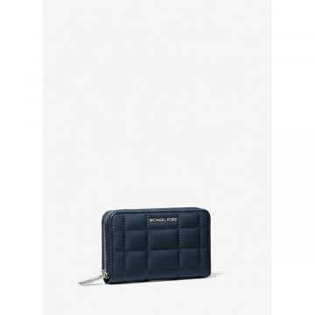 | Michael Kors | Women | Accessories | Wallets | 1070.00 | FW | 0196237565075 | 34R4SJ6D5L-NAVY | 34R4SJ6D5L-NAVY-OS | QUILTED | NAVY | One Size | Vietnam | 100% LAMB LEATHER | 6 | 52.10 € | 312.60 € | 125.00 € | 750.00 €
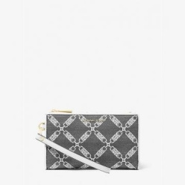 | Michael Kors | Women | Accessories | Wallets | 109.00 | CO | 0196237777041 | 34S4GJ6W4J-18 | 34S4GJ6W4J-18-OS | Wallets JET SET | BLACK_WHITE | One Size | Vietnam | 53.2% COTTON, 46.8% POLYESTER | 1 | 62.50 € | 62.50 € | 150.00 € | 150.00 €
 | Michael Kors | Women | Accessories | Wallets | 400.00 | CO | 0194900574621 | 34T1GT9D8B-149 | 34T1GT9D8B-149-OS | Wallets Wallet Md Conv Id Lanyard | VANILLA | One Size | ID | 100% Calf leather | 6 | 47.92 € | 287.52 € | 115.00 € | 690.00 €
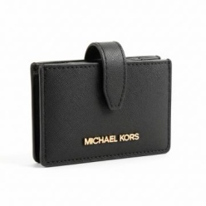 | Michael Kors | Women | Accessories | Wallets | 75.00 | CO | 0196163430904 | 35F2GTVD0L-BLACK | 35F2GTVD0L-BLACK-OS | Wallets JET SET TRAVEL | BLACK | One Size | VN | 100% COW LEATHER | 1250 | 89.60 € | 112,000.00 € | 215.00 € | 268,750.00 €
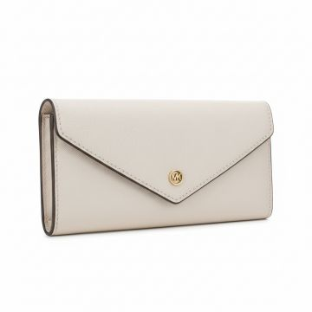 | Michael Kors | Women | Accessories | Wallets | 124.00 | CO | 0196163986906 | 35F3GTVE7L-LT CREAM | 35F3GTVE7L-LT CREAM-OS | Wallets JET SET TRAVEL | Cream | One Size | BD | 100% COW LEATHER | 490 | 110.40 € | 54,096.00 € | 265.00 € | 129,850.00 €
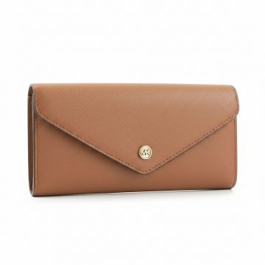 | Michael Kors | Women | Accessories | Wallets | 1070.00 | SS | 0196163986890 | 35F3GTVE7L-LUGGAGE | 35F3GTVE7L-LUGGAGE-OS | LG ENV CONTINENTAL JET SET | BROWN | One Size | Bangladesh | 100% COW LEATHER | 837 | 93.75 € | 78,468.75 € | 225.00 € | 188,325.00 €
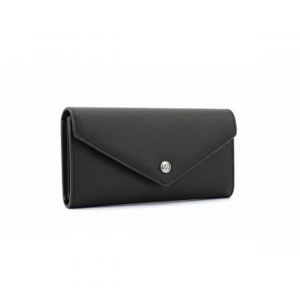 | Michael Kors | Women | Accessories | Wallets | 1070.00 | FW | 0196163993188 | 35F3STVE7L-BLACK | 35F3STVE7L-BLACK-OS | LG ENV CONTINENTAL JET SET | BLACK | One Size | Indonesia | 100% COW LEATHER | 1392 | 93.75 € | 130,500.00 € | 225.00 € | 313,200.00 €
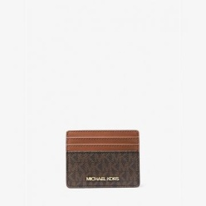 | Michael Kors | Women | Accessories | Wallets | 169.00 | CO | 0192877938415 | 35F8GTVD3B-BROWN | 35F8GTVD3B-BROWN-OS | Wallets JET SET TRAVEL | BROWN | One Size | VN | 89.4% PVC, 9.6% POLY ESTER, 1% POLYURETHA NE | 737 | 39.60 € | 29,185.20 € | 95.00 € | 70,015.00 €
 | Michael Kors | Women | Accessories | Wallets | 75.00 | FW | 0196237274342 | 35H3GTVE7M-BLACK | 35H3GTVE7M-BLACK-OS | JET SET | BLACK | One Size | Bangladesh | 100% COW LEATHER | 38 | 110.42 € | 4,195.96 € | 265.00 € | 10,070.00 €
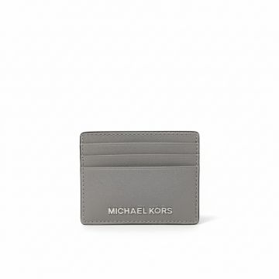 | Michael Kors | Women | Accessories | Wallets | 169.00 | CO | 0197853702349 | 35H6STVD7L-PEANUT | 35H6STVD7L-PEANUT-OS | Wallets JET SET TRAVEL | Beige | One Size | VN | 100% COW LEATHER | 9 | 39.60 € | 356.40 € | 95.00 € | 855.00 €
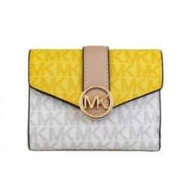 | Michael Kors | Women | Accessories | Wallets | 169.00 | CO | 0196163079899 | 35S2GNMF6V-SUNSHN-MULTI | 35S2GNMF6V-SUNSHN-MULTI-OS | Wallets Wallet Carmen | Yellow | One Size | ID | 100% CALF LEATHER | 3 | 81.25 € | 243.75 € | 195.00 € | 585.00 €
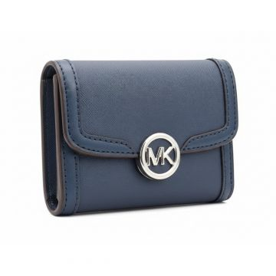 | Michael Kors | Women | Accessories | Wallets | 140.00 | CO | 0196237918604 | 35S4S9GF2L-NAVY | 35S4S9GF2L-NAVY-OS | Wallets LEIDA WALLET | NAVY | One Size | VN | 88.92% PVC, 11.08% P OLYESTER | 1185 | 72.92 € | 86,410.20 € | 175.00 € | 207,375.00 €
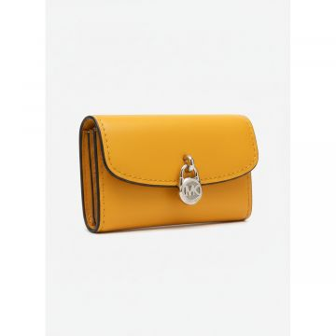 | Michael Kors | Women | Accessories | Wallets | 163.00 | CO | 0197853705418 | 35S5G1YE0L-POP ORANGE | 35S5G1YE0L-POP ORANGE-OS | Wallets LYRA | Orange | One Size | Indonesia | 100% COW LEATHER | 10 | 62.50 € | 625.00 € | 150.00 € | 1,500.00 €
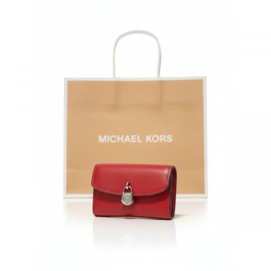 | Michael Kors | Women | Accessories | Wallets | 107.00 | CO | 0197853706415 | 35S5S1YE0L-DK RASPBERRY | 35S5S1YE0L-DK RASPBERRY-OS | Wallets LYRA | Red | One Size | Indonesia | 100% COW LEATHER | 116 | 62.50 € | 7,250.00 € | 150.00 € | 17,400.00 €
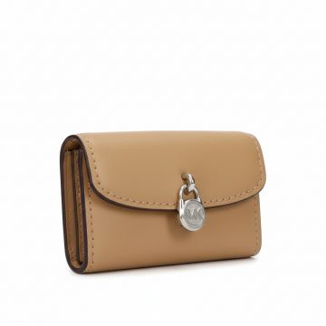 | Michael Kors | Women | Accessories | Wallets | 107.00 | CO | 0197853706392 | 35S5S1YE0L-PEANUT | 35S5S1YE0L-PEANUT-OS | Wallets LYRA | BROWN | One Size | Indonesia | 100% COW LEATHER | 68 | 62.50 € | 4,250.00 € | 150.00 € | 10,200.00 €
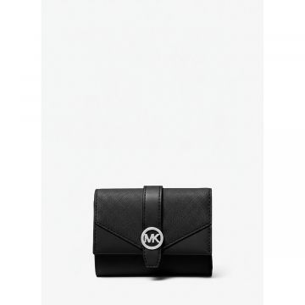 | Michael Kors | Women | Accessories | Wallets | 1070.00 | SS | 0197853705852 | 35S5SGRE6L-DKRAS | 35S5SGRE6L-DKRAS-OS | MD ENV TRIFOLD GREENWICH | Violet | One Size | Vietnam | 100% COW LEATHER | 15 | 81.25 € | 1,218.75 € | 195.00 € | 2,925.00 €
 | Michael Kors | Women | Accessories | Wallets | 109.00 | SS | 0197853707696 | 35T5GGRF8C-LT CREAM | 35T5GGRF8C-LT CREAM-OS | GREENWICH | LT CREAM | One Size | Vietnam | 62% COTTON, 38% POLY | 100 | 62.50 € | 6,250.00 € | 150.00 € | 15,000.00 €
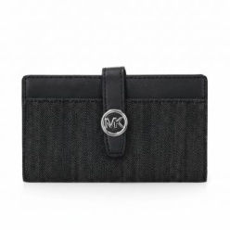 | Michael Kors | Women | Accessories | Wallets | 109.00 | FW | 0197853710627 | 35T5SGRF8C-BLACK | 35T5SGRF8C-BLACK-OS | GREENWICH | BLACK | One Size | Vietnam | 62% COTTON, 38% POLY | 123 | 62.50 € | 7,687.50 € | 150.00 € | 18,450.00 €
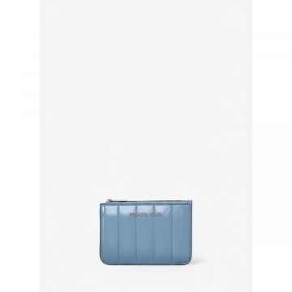 | Michael Kors | Women | Accessories | Wallets | 163.00 | CO | 0197853712133 | 35T5STVP1A-LIGHT SKY | 35T5STVP1A-LIGHT SKY-OS | JET SET TRAVEL | Light Blue | One Size | Indonesia | 100% COW LEATHER | 3 | 62.50 € | 187.50 € | 150.00 € | 450.00 €
 | Michael Kors | Women | Accessories | Wallets | 163.00 | CO | 0197853712126 | 35T5STVP1A-OPTIC WHITE | 35T5STVP1A-OPTIC WHITE-OS | JET SET TRAVEL | White | One Size | Indonesia | 100% COW LEATHER | 2 | 62.50 € | 125.00 € | 150.00 € | 300.00 €
 | Michael Kors | Women | Accessories | Wallets | 107.00 | CO | 0197853712218 | 35T5STVP1-SILVER | 35T5STVP1Z-SILVER-OS | JET SET TRAVEL | SILVER | One Size | Indonesia | 100% COW LEATHER | 72 | 62.50 € | 4,500.00 € | 150.00 € | 10,800.00 €
 | Michael Kors | Women | Bags | Backpacks | 1070.00 | FW | 0196237769756 | 30S4S8XB2L-SANTORINI BLUE | 30S4S8XB2L-SANTORINI BLUE-OS | BEX | SANTORINI BLUE | One Size | Indonesia | 100% COW LEATHER | 25 | 122.90 € | 3,072.50 € | 295.00 € | 7,375.00 €
 | Michael Kors | Women | Bags | Backpacks | 170.00 | CO | 0196163989860 | 35F3G6HB6B-VANILLA | 35F3G6HB6B-VANILLA-OS | Backpacks SHEILA | VANILLA | One Size | KH | 89.4% PVC, 9.6% POLY ESTER, 1% POLYURETHA NE | 4 | 187.50 € | 750.00 € | 450.00 € | 1,800.00 €
 | Michael Kors | Women | Bags | Backpacks | 170.00 | CO | 0196237300034 | 35F3G6HB6L-BLACK | 35F3G6HB6L-BLACK-OS | Backpacks SHEILA | BLACK | One Size | KH | 88.92% PVC, 11.08% P OLYESTER | 403 | 187.50 € | 75,562.50 € | 450.00 € | 181,350.00 €
 | Michael Kors | Women | Bags | Backpacks | 170.00 | CO | 0196237481955 | 35F3G6HB6L-LUGGAGE | 35F3G6HB6L-LUGGAGE-OS | Backpacks SHEILA | BROWN | One Size | KH | 88.92% PVC, 11.08% P OLYESTER | 467 | 187.50 € | 87,562.50 € | 450.00 € | 210,150.00 €
 | Michael Kors | Women | Bags | Backpacks | 168.00 | CO | 0196163095950 | 35S2G8TB2B-BROWN | 35S2G8TB2B-BROWN-OS | Backpacks JAYCEE | BROWN | One Size | ID | 89.4% PVC, 9.6% POLY ESTER, 1% POLYURETHA NE | 486 | 206.25 € | 100,237.50 € | 495.00 € | 240,570.00 €
 | Michael Kors | Women | Bags | Backpacks | 168.00 | CO | 0196163096087 | 35S2G8TB2B-POWDER BLUSH | 35S2G8TB2B-POWDER BLUSH-OS | Backpacks JAYCEE | PINK | One Size | ID | 89.4% PVC, 9.6% POLY ESTER, 1% POLYURETHA NE | 241 | 206.25 € | 49,706.25 € | 495.00 € | 119,295.00 €
 | Michael Kors | Women | Bags | Backpacks | 168.00 | CO | 0196163095936 | 35S2G8TB2B-VANILLA | 35S2G8TB2B-VANILLA-OS | Backpacks JAYCEE | VANILLA | One Size | ID | 89.4% PVC, 9.6% POLY ESTER, 1% POLYURETHA NE | 183 | 206.25 € | 37,743.75 € | 495.00 € | 90,585.00 €
 | Michael Kors | Women | Bags | Backpacks | 168.00 | CO | 0196163096124 | 35S2G8TB2L-BLACK | 35S2G8TB2L-BLACK-OS | Backpacks JAYCEE | BLACK | One Size | ID | 100% COW LEATHER | 303 | 206.25 € | 62,493.75 € | 495.00 € | 149,985.00 €
 | Michael Kors | Women | Bags | Backpacks | 168.00 | CO | 0196163096179 | 35S2G8TB2L-LT CREAM | 35S2G8TB2L-LT CREAM-OS | Backpacks JAYCEE | Cream | One Size | ID | 100% COW LEATHER | 128 | 206.25 € | 26,400.00 € | 495.00 € | 63,360.00 €
 | Michael Kors | Women | Bags | Backpacks | 168.00 | CO | 0196163096162 | 35S2G8TB2L-LUGGAGE | 35S2G8TB2L-LUGGAGE-OS | Backpacks JAYCEE | BROWN | One Size | ID | 100% COW LEATHER | 342 | 206.25 € | 70,537.50 € | 495.00 € | 169,290.00 €
 | Michael Kors | Women | Bags | Backpacks | 168.00 | CO | 0196163096254 | 35S2G8TB2L-POWDER BLUSH | 35S2G8TB2L-POWDER BLUSH-OS | Backpacks JAYCEE | PINK | One Size | ID | 100% COW LEATHER | 419 | 206.25 € | 86,418.75 € | 495.00 € | 207,405.00 €
 | Michael Kors | Women | Bags | Backpacks | 112.00 | CO | 0196163096377 | 35S2G8TB7B-VANILLA | 35S2G8TB7B-VANILLA-OS | Backpacks JAYCEE | VANILLA | One Size | ID | 89.4% PVC, 9.6% POLY ESTER, 1% POLYURETHA NE | 11 | 206.25 € | 2,268.75 € | 495.00 € | 5,445.00 €
 | Michael Kors | Women | Bags | Backpacks | 127.00 | CO | 0196237662712 | 37S4LPCB8L-BLACK | 37S4LPCB8L-BLACK-OS | Backpacks COOPER | BLACK | One Size | IN | 100% COW LEATHER | 60 | 218.75 € | 13,125.00 € | 525.00 € | 31,500.00 €
 | Michael Kors | Women | Bags | Clutch | 179.00 | SS | 0191262188558 | 32T7GAFW4L-OPTIC WHITE | 32T7GAFW4L-OPTIC WHITE-OS | ADELE | OPTIC WHITE | One Size | Vietnam | 100% COW LEATHER | 550 | 62.50 € | 34,375.00 € | 150.00 € | 82,500.00 €
 | Michael Kors | Women | Bags | Clutch | 1070.00 | SS | 0192317783919 | 35F8STVW0L-BLACK | 35F8STVW0L-BLACK-OS | LG DOUBLE ZIP WRSTLT JET SET | BLACK | One Size | India | 100% COW LEATHER | 1389 | 93.75 € | 130,218.75 € | 225.00 € | 312,525.00 €
 | Michael Kors | Women | Bags | Clutch | 156.00 | CO | 0197853432062 | 35S5STVW5L-PEARL GREY | 35S5STVW5L-PEARL GREY-OS | JET SET TRAVEL | Grey | One Size | Indonesia | 100% COW LEATHER | 2 | 110.40 € | 220.80 € | 265.00 € | 530.00 €
 | Michael Kors | Women | Bags | Clutch | 170.00 | CO | 0196237922236 | 35T4STVW5C-1 | 35T4STVW5C-1-OS | Clutch JET SET TRAVEL SM CONV POUCH WRISTLET | BLACK | One Size | BD | 100% NYLON | 123 | 110.40 € | 13,579.20 € | 265.00 € | 32,595.00 €
 | Michael Kors | Women | Bags | Clutch | 160.00 | CO | 0196237922250 | 35T4STVW5C-1162 | 35T4STVW5C-1162-OS | Clutch JET SET TRAVEL SM CONV POUCH WRISTLET | Light Blue | One Size | BD | 100% NYLON | 49 | 110.40 € | 5,409.60 € | 265.00 € | 12,985.00 €
 | Michael Kors | Women | Bags | Clutch | 160.00 | CO | 0196237922243 | 35T4STVW5C-320 | 35T4STVW5C-320-OS | Clutch JET SET TRAVEL SM CONV POUCH WRISTLET | LIME | One Size | BD | 100% NYLON | 65 | 110.40 € | 7,176.00 € | 265.00 € | 17,225.00 €
 | Michael Kors | Women | Bags | Clutch | 1070.00 | SS | 0197853712409 | 35T5STVW1C-DK RAS | 35T5STVW1C-DK RAS-OS | SM CONV POUCH WRISTLET JET SET TRAVEL | Violet | One Size | Indonesia | 100% RECYCLED NYLON | 63 | 110.40 € | 6,955.20 € | 265.00 € | 16,695.00 €
 | Michael Kors | Women | Bags | Messenger & crossbody bags | 1070.00 | FW | 0196163505800 | 30F2G7CM1T-SOFTP | 30F2G7CM1T-SOFTP-OS | SM MSGR CHANTAL | PINK | One Size | Bangladesh | 100% COW LEATHER | 51 | 135.40 € | 6,905.40 € | 325.00 € | 16,575.00 €
 | Michael Kors | Women | Bags | Messenger & crossbody bags | 1070.00 | SS | 0196237149381 | 30F3GIMM1M-PALE GOLD | 30F3GIMM1M-PALE GOLD-OS | MILA | Gold | One Size | BD | 100% COW LEATHER | 10 | 104.15 € | 1,041.50 € | 250.00 € | 2,500.00 €
 | Michael Kors | Women | Bags | Messenger & crossbody bags | 1260.00 | FW | 0196237507044 | 30R4G2RL7L-OPTIC WHITE | 30R4G2RL7L-OPTIC WHITE-OS | TRIBECA | OPTIC WHITE | One Size | Cambodia | 100% LAMB LEATHER | 29 | 145.85 € | 4,229.65 € | 350.00 € | 10,150.00 €
 | Michael Kors | Women | Bags | Messenger & crossbody bags | 1260.00 | FW | 0196237507877 | 30R4S1SL3L-BLACK | 30R4S1SL3L-BLACK-OS | TRIBECA | BLACK | One Size | Cambodia | 100% LAMB LEATHER | 107 | 145.85 € | 15,605.95 € | 350.00 € | 37,450.00 €
 | Michael Kors | Women | Bags | Messenger & crossbody bags | 1260.00 | FW | 0196237507884 | 30R4S1SL3L-NAVY | 30R4S1SL3L-NAVY-OS | TRIBECA | NAVY | One Size | Cambodia | 100% LAMB LEATHER | 43 | 145.85 € | 6,271.55 € | 350.00 € | 15,050.00 €
 | Michael Kors | Women | Bags | Messenger & crossbody bags | 1250.00 | FW | 0196237511744 | 32R4GJ6M8L-OPTIC WHITE | 32R4GJ6M8L-OPTIC WHITE-OS | JET SET | OPTIC WHITE | One Size | Indonesia | 100% LAMB LEATHER | 4 | 104.20 € | 416.80 € | 250.00 € | 1,000.00 €
 | Michael Kors | Women | Bags | Messenger & crossbody bags | 1250.00 | SS | 0197853299788 | 32R5SBAU0M-SILVER | 32R5SBAU0M-SILVER-OS | COLBY | SILVER | One Size | Vietnam | 100% COW LEATHER | 41 | 104.20 € | 4,272.20 € | 250.00 € | 10,250.00 €
 | Michael Kors | Women | Bags | Messenger & crossbody bags | 59.00 | FW | 0194900349182 | 32S1GT9C2B-BRNACORN | 32S1GT9C2B-BRNACORN-OS | JET SET CHARM | BRNACORN | One Size | Vietnam | 100% COW LEATHER | 80 | 72.92 € | 5,833.60 € | 175.00 € | 14,000.00 €
 | Michael Kors | Women | Bags | Messenger & crossbody bags | 138.00 | FW | 0194900349397 | 32S1GT9C5L-BLACK | 32S1GT9C5L-BLACK-OS | JET SET CHARM | BLACK | One Size | Vietnam | 100% COW LEATHER | 31 | 72.92 € | 2,260.52 € | 175.00 € | 5,425.00 €
 | Michael Kors | Women | Bags | Messenger & crossbody bags | 1070.00 | FW | 0196163829661 | 32S3SJ6C2L-BLACK | 32S3SJ6C2L-BLACK-OS | JET SET | BLACK | One Size | Philippines | 100% COW LEATHER | 17 | 81.25 € | 1,381.25 € | 195.00 € | 3,315.00 €
 | Michael Kors | Women | Bags | Messenger & crossbody bags | 1070.00 | SS | 0196237773753 | 32S4G2RC9K-PALE GOLD | 32S4G2RC9K-PALE GOLD -OS | JET SET | PALE GOLD | One Size | Bangladesh | 100% LAMB LEATHER | 55 | 104.20 € | 5,731.00 € | 250.00 € | 13,750.00 €
 | Michael Kors | Women | Bags | Messenger & crossbody bags | 1070.00 | SS | 0196237951397 | 32S4G2RC9L-LIGHT SAGE | 32S4G2RC9L-LIGHT SAGE-OS | JET SET | LIGHT SAGE | One Size | Bangladesh | 100% LAMB LEATHER | 70 | 104.20 € | 7,294.00 € | 250.00 € | 17,500.00 €
 | Michael Kors | Women | Bags | Messenger & crossbody bags | 1250.00 | FW | 0196237773777 | 32S4G2RC9L-OPTIC WHITE | 32S4G2RC9L-OPTIC WHITE-OS | TRIBECA | OPTIC WHITE | One Size | Bangladesh | 100% LAMB LEATHER | 33 | 104.20 € | 3,438.60 € | 250.00 € | 8,250.00 €
...

